1. Title Page
[Instacart Grocery Basket Analysis]

Project Name: Instacart Grocery Basket Analysis
Date: October 13, 2022
Analyst Name: Bryan Lim

Contents:
Population Flow
Consistency checks
Wrangling steps
Column derivations
Visualizations
Recommendations

“The Instacart Online Grocery Shopping Dataset 2017", Accessed from https://www.instacart.com/datasets/grocery-shopping-2017 on September 30, 2022.

2. Population flow
Population flow

Exclusion flag
Condition: max_order < 5
Observations to be removed: 1,440,295
Final total count of order_products_all: 32,404,859
ORIGINAL DATA | AFTER CHECKS | MERGED DATA

Orders_products_combined
Total: 32,434,489

Orders_products_merged

Total: 32,404,859
Orders_products_all

Total: 32,404,859

3. Consistency checks
Consistency checks

Dataset | Missing values | Missing values treatment | Duplicates
orders | 206,209 missing values | Created a new flag column (new_customer) for all the missing values | no duplicates
products | 16 missing values in product_name column | Created new dataset to hold all values (minus the 16 missing values) | 5 full duplicate rows were dropped
orders_products_prior | no missing values |  | no duplicates
customers | 11,259 missing values | Left alone because users can be still be searched with user_id | no duplicates

4. Wrangling steps
Wrangling steps

Dataset | Columns dropped | Columns renamed | Columns' type changed | Comment/Reason
orders | eval_set |  |  | eval_set was a column for prior orders which is not necessary for our project.
 |  | orders_dow |  | orders_dow was changed to orders_day_of_week for readability
 |  | days_since_prior_order |  | renamed to days_since_last_order for readability
 |  |  | order_id | when conducting descriptive statistics, it is not applicable
customers |  | First Name |  | First Name was changed to first_name
 |  | Surnam |  | Surnam was changed to last_name
 |  | Gender |  | Gender was changed to gender
 |  | STATE |  | STATE was changed to state
 |  | Age |  | Age was changed to age
 |  | n_dependants |  | n_dependants was changed to num_of_dependants
ords_prods_cust_final_cleaned |  |  | order_id | changed to int32 to reduce memory usage
 |  |  | user_id | when conducting descriptive statistics, it is not applicable so changed to Object
 |  |  | order_number | changed to int8 to reduce memory usage
 |  |  | order_day_of_week | changed to int8 to reduce memory usage
 |  |  | order_hour_of_day | changed to int8 to reduce memory usage
 |  |  | days_since_last_order | changed to int8 to reduce memory usage
 |  |  | product_id | changed to int32 to reduce memory usage
 |  |  | add_to_cart_order | changed to int32 to reduce memory usage
 |  |  | reordered | changed to int8 to reduce memory usage
 |  |  | max_order | changed to int8 to reduce memory usage
 |  |  | avg_price | changed to float32 to reduce memory usage
 |  |  | median_last_order | changed to float32 to reduce memory usage
 |  |  | age | changed to int8 to reduce memory usage
 |  |  | num_of_dependants | changed to int8 to reduce memory usage
 |  |  | income | changed to int32 to reduce memory usage
final_dataframe | first_name |  |  | dropped due to personal identifiable information
 | last_name |  |  | dropped due to personal identifiable information
 | _merge |  |  | dropped because it doesn't add any value to the dataframe

5. Column derivations
Column derivations and aggregations

Dataset | New column | Column/s it was derived from | Conditions
orders_products_merged | prices_range_label | prices | Products are categorized into high range (over $15), mid range (more than $5 but less than or equal to $15), or low range (less than or equal to $5)
 | busiest_day | order_day_of_week | After conducting a value_counts on order_day_of_week, Saturday was deemed the busiest day, Wednesday as the least busiest day, and the remaining days as regular days
 | busiest_days | order_day_of_week | Instead of the busiest or slowest day, it takes the two busiest days (Saturday and Sunday) and two slowest days (Tuesday and Wednesday), and the remaining days as regularly busy
 | busiest_period_of_day | order_hour_of_day | The top six busiest hours (10 am to 4 pm) were categorized into "most orders", the bottom six (12 am to 5 am) as "fewest orders", and the rest as "average orders"
ords_prods_updated | max_order | order_number | Used the transform() function on order_number to find the maximum values, grouped by user_id
 | loyalty_flag | max_order | Customers are categorized into loyal (over 40 orders), regular (more than 10 but less than or equal to 40 orders), or new customers (less than or equal to 10 orders)
 | avg_price | prices | Used the transform() function on prices to find the mean values, grouped by user_id
 | spending_flag | avg_price | Customers are categorized into low (less than $10) or high spenders (greater than or equal to $10) based on if avg_price
 | median_last_order | days_since_last_order | Used the transform() function on days_since_last_order to find the median values, grouped by user_id
 | order_frequency_flag | median_last_order | Customers are also categorized into frequent (less than or equal to 10 days), regular (greater than 10 but less than or equal to 20 days), or non-frequency customers (greater than 20 days) based on median_last_order
final_dataframe (Created a 30 percent sample subset) | region | state | Based on certain criteria, regions were categorized into Northeast, Midwest, South, and West. Link for reference: https://simple.wikipedia.org/wiki/List_of_regions_of_the_United_States
 | activity_flag | max_order | Customers are categorized into low activity (less than 5 orders) or regular to high activity (more than 5 orders)
 | age_group | age | Customers are categorized into young adult (between 18 and 35), middle aged (between 36 and 55), or senior or elderly (56 and above)
 | income_level | income | Customers are categorized into low income (less than or equal to 55k), middle income (greater than 55k and less than 140k), or high income (greater than 140k)
 | has_dependents | num_of_dependants | If customers have a number that's not 0 for the num_of_dependants column, then has_dependents is True, otherwise False
 | category_purchases | department_id | Created a data dictionary to map the department to the id. For example, if the product_id was in the 'meat seafood' department, it would show the item under category_purchases.
 | pet_owners | category_purchases | If customers have purchased pet products, values are labelled as (1) like True, and if not, then (0) like False. This was created as a flag to indicate how many customers may own pets.
 | baby_status | category_purchases | If customers have purchased baby products, values are labelled as (1) like True, and if not, then (0) like False. This was created as a flag to indicate how many customers may be new parents.
 | alcohol_status | category_purchases | If customers have purchased alcoholic drinks, values are labelled as (1) like True, and if not, then (0) like False. This was created as a flag to indicate how many customers like to drink alcoholic beverages.

6. Visualizations
Visualisations

KEY QUESTIONS

1. The sales team needs to know what the busiest days of the week and hours of the day are (i.e., the days and times with the most orders) in order to schedule ads at times when there are fewer orders.

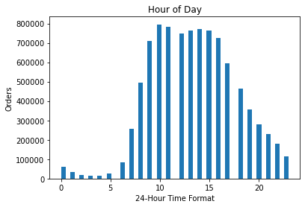
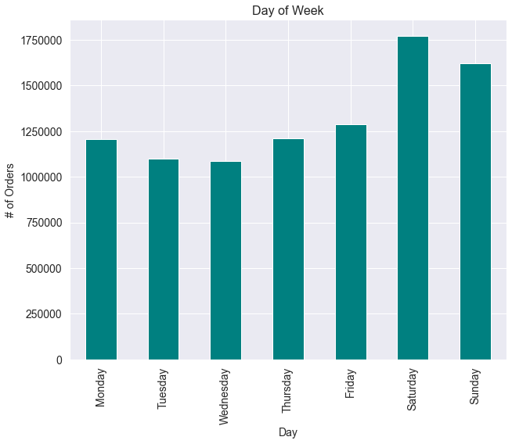

 | This histogram displays the busiest hours of the day which fall
 | between 9 AM and 4 PM. These are the peak hours in which
 | customers make the most purchases.

 |  |  |  | This bar chart shows that Saturdays are the busiest day of the week.
 |  |  |  | As it is the weekend, many people are at home and have more free
 |  |  |  | time. Conversely, Wednesdays are the least busiest.

RECOMMENDATION: Ads should be scheduled outside of 9 AM and 4 PM and on Tuesdays and/or Wednesdays where there's less activity.

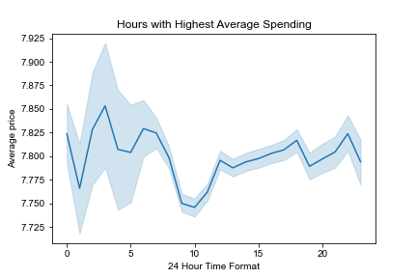
2. They also want to know whether there are particular times of the day when people spend the most money, as this might inform the type of products they advertise at these times.

The line chart displays that the highest price spent falls between 3 AM and 6 AM. However, this is an average and from the histogram above,
and the busiest times are between 9 AM and 4 PM. Because the number of orders are higher, the average may have been brought down.

RECOMMENDATION: Advertisements for higher priced products can be inputted during the hours of 3 AM and 6 AM as the average price spent is highest between these hours. However, this is purely based on the relationship between price and time. The most orders are made during the day, and thus generate more money.

3. Instacart has a lot of products with different price tags. Marketing and sales want to use simpler price range groupings to help direct their efforts.

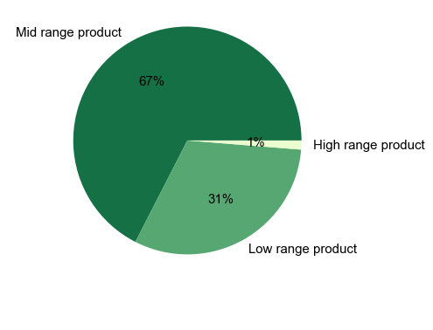

From the pie chart above, mid-range products make up 67%
of the products purchased.

If price <= $5, it is a low range product.
If price > $5 and price <= $15, it is a mid range product.
If price > $15, it is a high range product.

4. Are there certain types of products that are more popular than others? The marketing and sales teams want to know which departments have the highest frequency of product orders.

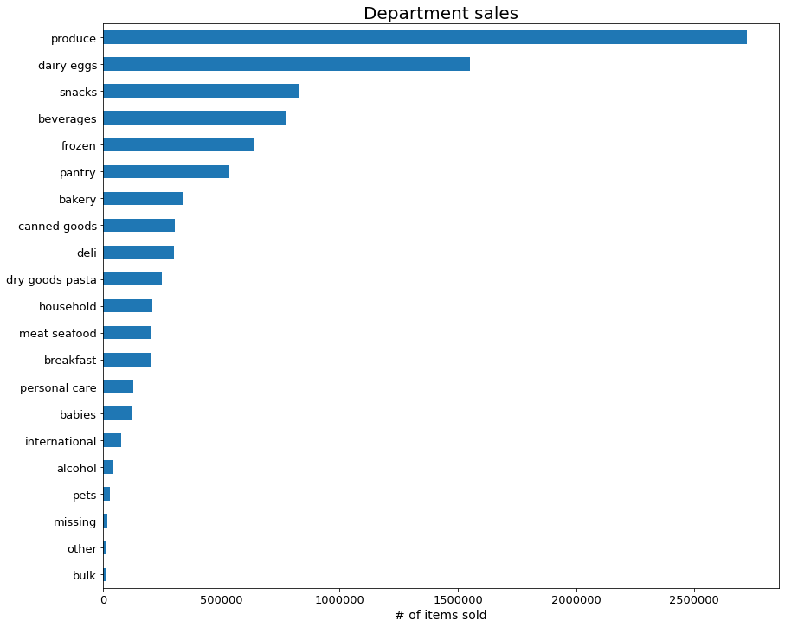

The bar chart above shows that produce has the most sales, followed by dairy eggs and snacks. The least popular department
was from the bulk section.

RECOMMENDATION: The marketing and sales team should focus on the top 5 departments as they generate the most sales.

5. The marketing and sales team are particularly interested in the different types of customers in their system and how their ordering behaviours differ.

a. What's the distribution among users in regards to their brand loyalty (i.e., how often do they return to Instacart)?

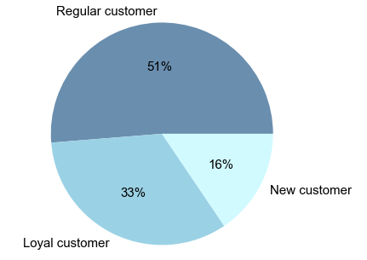

 |  |  | The pie chart shows that just over half of the customers are regular
 |  |  | customers, with one third being loyal customers. Customers were
 |  |  | categorized based on the number of orders:

 |  |  | If max_order <= 10, they are a new customer.
 |  |  | If max_order > 10 and <= 40, they are a regular customer.
 |  |  | If max_order > 40, they are a loyal customer.

b. Are there differences in ordering habits based on a customer's loyalty status?

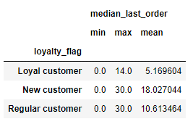
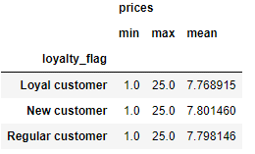

The above table shows that the average number |  | This table shows that average price each type of
of days between a loyal customer's order is 5 days, |  | customer spends; they're all around the same price.
whereas new and regular customers have more than |  | However, we must keep in mind that the days between
a week in between. Loyal customers then spend twice |  | each type of customer's orders vary. Loyal customers
as much as regular customers, and more than three times |  | spend more in the long run.
as much as new customers.
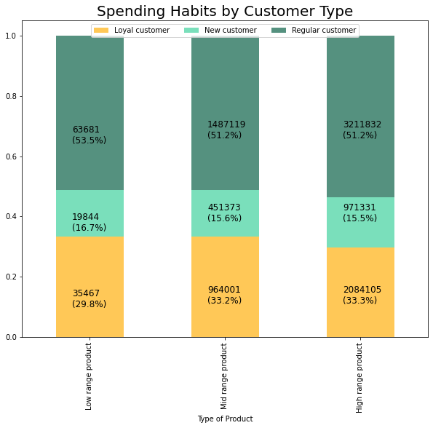

Based on the stacked bar chart, regular customers dominate more than half of each category.
On the contrary, new customers exhibit the least amount of spending for all the categories.

RECOMMENDATION: Regular customers can be converted into loyal customers, and since they already make up the bulk of the sales, ads could be targeted towards them.

c. Are there differences in ordering habits based on a customer’s region?
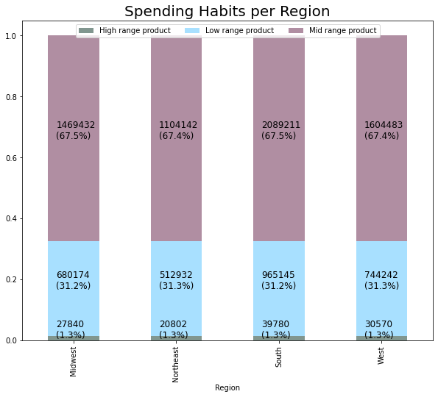
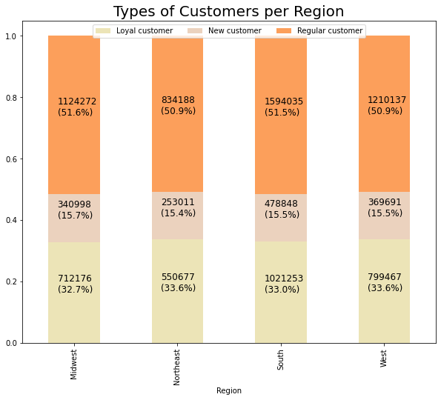

The stacked bar chart above displays the types of customers per region and it is quite evenly spread out. |  |  |  |  |  |  | The stacked bar chart displays the spending habits in each region, and they are also evenly spread out.
Every region has the same percentage of customers proportionate to their population. |  |  |  |  |  |  | Every region has an identical number of categorical products being purchased.

RECOMMENDATION: The number of customers and the sales across all four regions are identical. Because of this, the ads do not need to be catered towards one region, but can instead be targeted equally amongst the regions.

d. Is there a connection between age and family status in terms of ordering habits?
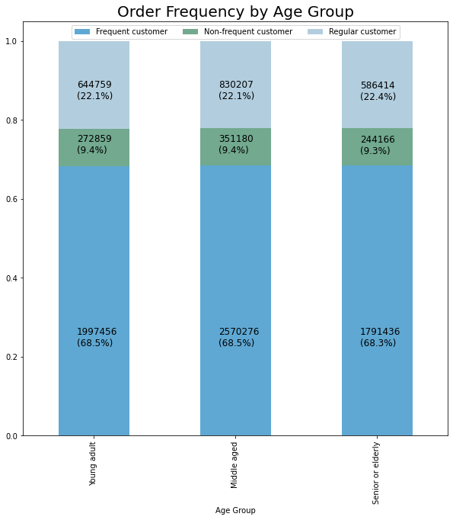
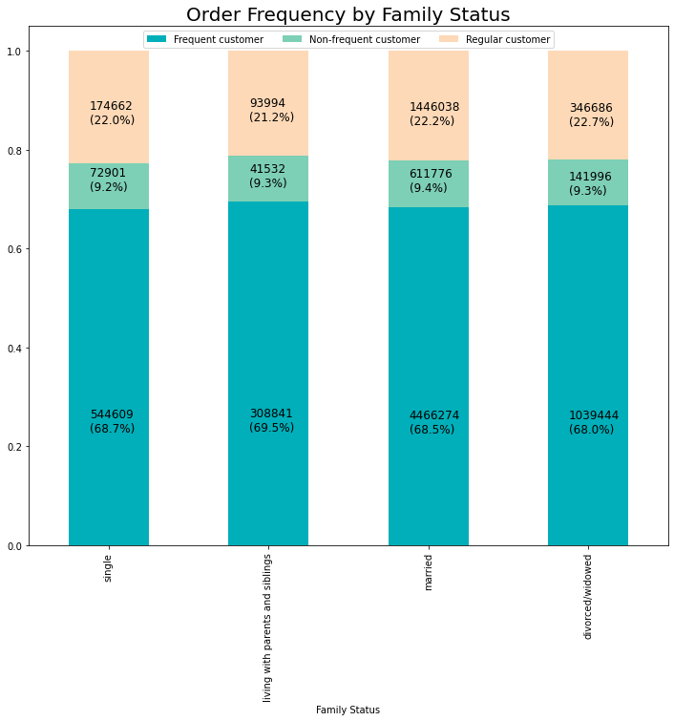

The stacked bar chart is similar to the previous chart, where it's evenly spread out. |  |  |  |  | The stacked bar above is also very similar, where the order frequency is evenly distributed amongst each family status category.
The distribution is the almost the same for each type age group.

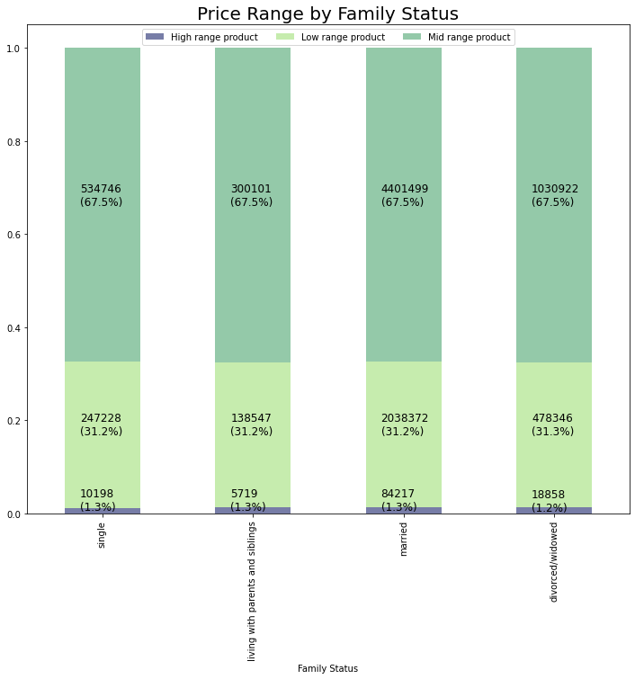
If age <= 35, they are a young adult.
If age > 35 and <= 55, they are a middled aged adult.
If age > 55, they are senior or elderly.
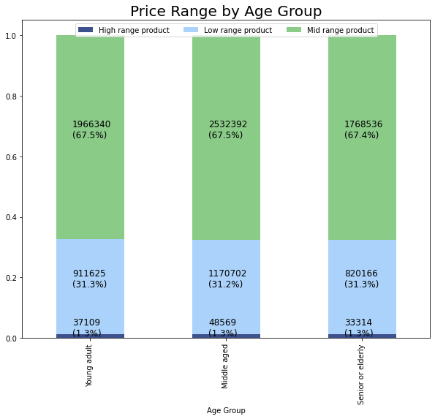

The stacked bar shows how much each age group spends and it is nearly identical. |  |  |  |  |  | The stacked bar shows how much each category of family status spends and it is also nearly identical.

RECOMMENDATION: Because the number percentages for each category are so tightly close, it is hard to determine if there is a link between age and family status. However, people living with parents and siblings have larger families, thus there may be the assumption that they purchase more. Ads can be targeted towards those with a higher number of people in the household.

e. What different classifications does the demographic information suggest? Age? Income? Certain types of goods? Family status?

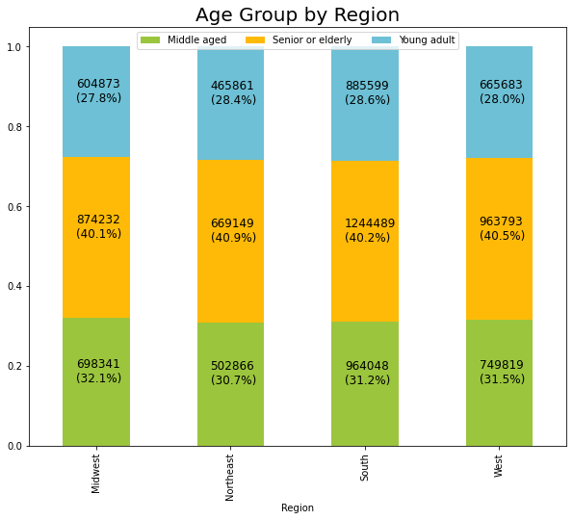

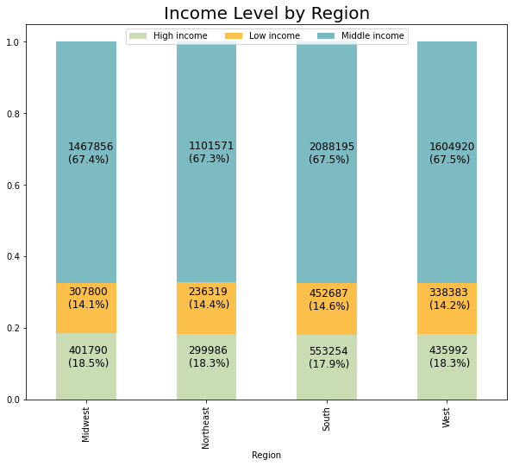
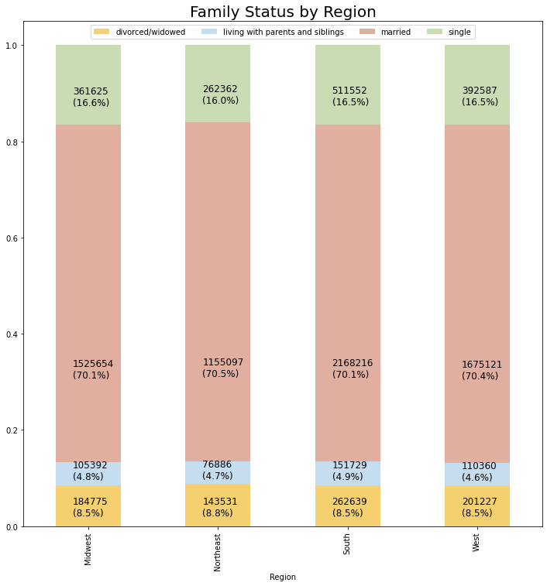

If income <= $55,000, it is considered low income.
If income > $55,000 and <= 140,000, it is considered middle income.
If income > $140,000, it is considered high income.

Amongst all four regions, the age group, income level, spending habits, and
family status are relatively equal.

RECOMMENDATION: Majority of the customers have a middle income, followed by high income. As these types of customers have spending power, ads could be targeted towards them because they can spend more. Conversely, those with low income are less likely to purchase the high ranged products, thus the ads can be adjusted to reflect other items.

f. What differences can you find in ordering habits of different customer profiles?
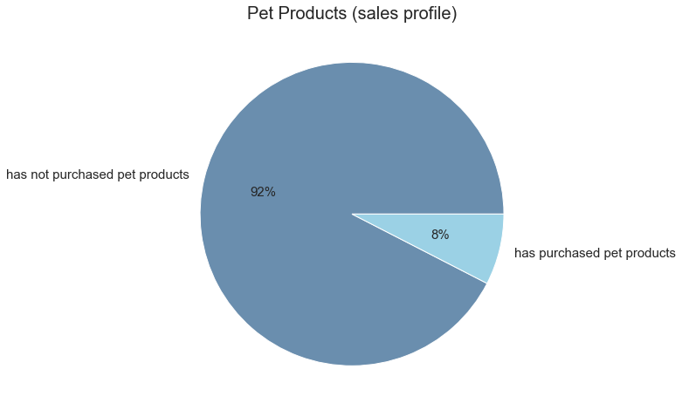
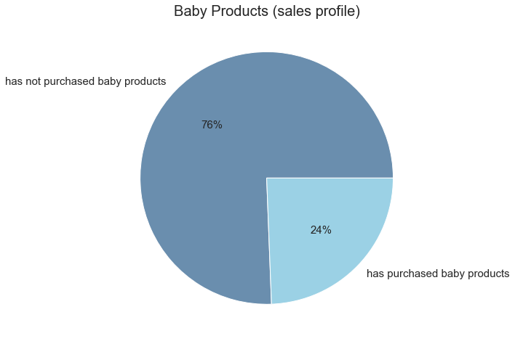

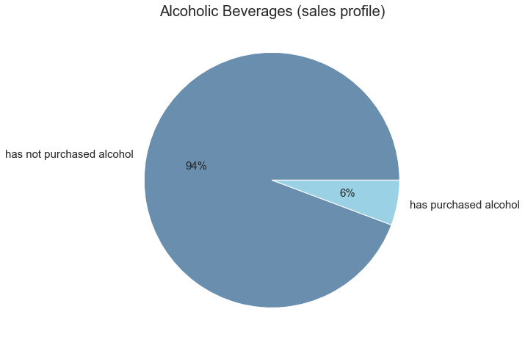
This pie chart displays the percentage of customers who have purchased pet products. |  |  |  |  |  |  | This pie chart displays the percentage of customers who have purchased baby products.
 |  |  |  |  |  |  | This could mean that they are new parents, or perhaps they just purchased these for
 |  |  |  |  |  |  | a friend or family instead.

This pie chart displays the percentage of customers who purchase alcoholic beverages.

RECOMMENDATION: These are specific departments where customers only purchase products if needed. For example, pet owners must purchase products such as pet food and new parents must purchase diapers or baby food for their infants. Ads could be targeted towards these customers who have purchased these products before as there is a high chance they must purchase again in the future.

7. Recommendations
Key Questions & Recommendations

1. The sales team needs to know what the busiest days of the week and hours of the day are (i.e., the days and times with the most orders) in order to schedule ads at times when there are fewer orders
RECOMMENDATION: Ads should be scheduled outside of 9 AM and 4 PM and on Tuesdays and/or Wednesdays where there's less activity.

2. They also want to know whether there are particular times of the day when people spend the most money, as this might inform the type of products they advertise at these times.
RECOMMENDATION: The highest price spent is between 3 AM and 6 AM. But in terms of the number of orders, the highest amount is between 9 AM and 4 PM. This is a more optimal time to advertise products where the volume of sales are much higher. This would generate more money in the long run and is can target more customers.

3. Are there certain types of products that are more popular than others? The marketing and sales teams want to know which departments have the highest frequency of product orders
RECOMMENDATION: The marketing and sales team should focus on the top 5 departments [Produce, Dairy Eggs, Snacks, Beverages, Frozen] as they generate the most sales.

4. What’s the distribution among users in regards to their brand loyalty (i.e., how often do they return to Instacart)?
RECOMMENDATION: 51% of customers are regular customers, and there is a chance they can be converted into loyal customers.

5. Are there differences in ordering habits based on a customer’s loyalty status?
RECOMMENDATION: Loyal customers have an average of 5 days in between their orders. However, since regular customers make up just over half of the type of customers, there can be ads targeted towards them.

6. Are there differences in ordering habits based on a customer’s region?
RECOMMENDATION: Based on the numbers, every region has an equal percentage of the types of customers and how much they spend proportionate to their population. Therefore, ads can be target every group fairly in all regions.

7. Is there a connection between age and family status in terms of ordering habits?
RECOMMENDATION: There was no clear connection, however customers with larger families are assumed to purchase more. An emphasis could be placed on catering to these specific customers living with siblings and parents.

8. What different classifications does the demographic information suggest? Age? Income? Certain types of goods? Family status?
RECOMMENDATION: Majority of the customers have a middle income, followed by high income. As these types of customers have spending power, ads could be targeted towards them because they can spend more. Conversely, those with low income are less likely to purchase the high ranged products, thus the ads can be adjusted to reflect other items.

9. What differences can you find in ordering habits of different customer profiles?

RECOMMENDATION: These are specific departments where customers only purchase products if needed. For example, pet owners must purchase products such as pet food and new parents must purchase diapers or baby food for their infants. Ads could be targeted towards these customers who have purchased these products before as there is a high chance they must purchase again in the future.

